Process Assessment Scoring Crit
Tool: Grievance Mechanism Process Assessment Criteria
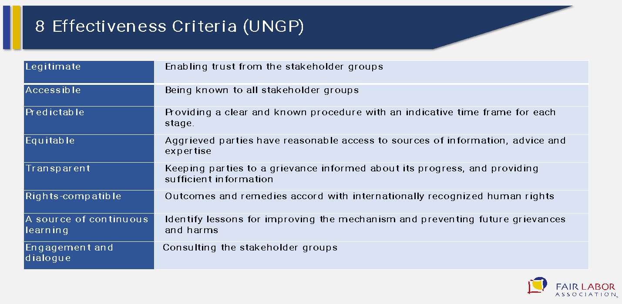
 | Final Score: |  |  |  |  | To be used as an Analysis Tool by the FLA
 | Broad-Based Indicators (Process-Based) | Specific Scoring Indicators | Example of Cotton Cluster Grievance Mechanism | Example of Cotton Cluster Grievance Mechanism | Example of Cotton Cluster Grievance Mechanism | Reference to UNGP 8 Effectiveness Criteria
 |  |  | XX (Hot Line) | XX (Suggestion Boxes) | XX (Name of the Mechanism) | Legitimate | Accessible | Predictable | Equitable | Transparent | Right-Compatible | Sources of continuous learning | Engagement & dialogue
 |  | Describe the mechanism in short | Describe the mechanism in short | Describe the mechanism in short | Describe the mechanism in short
1 | I. Design of the Mechanism | The target stakeholder group has been involved in the design and/or improvements made to the mechanism. |  |  |  |  |  |  |  |  |  |  | /
2 |  | The mechanism states clearly its goal |  |  |  |  |  | /
3 |  | The mechanism states clearly its scope |  |  |  |  |  | /
4 |  | The mechanism states clearly the procedures |  |  |  |  |  | /
5 |  | The mechanism states clearly the people/area responsible |  |  |  |  |  | /
6 |  | The mechanism states clearly the available resources |  |  |  |  |  | /
7 |  | The mechanism imposes minimum restrictions on the type of issues that can be addressed |  |  |  | / | / |  | / |  | /
8 |  | The mechanism is flexible: Instead of prescribing a specific procedure for each particular type of complaint, claim or enquiry, it offers a menu of possible options (channels, procedures and others), it is suitable for the different types of possible complaints, claims or enquiries. |  |  |  |  | / | / |  |  | /
9 |  | The mechanism is flexible: can be used to send or raise any survey questions (short ones) to the end users to which it is intended. |  |  |  |  |  |  |  |  |  | / | /
10 |  | The mechanism is flexible: can be used to push information (such as news, emergency numbers, etc.) to the end users to which it is intended |  |  |  |  |  |  |  |  | /
11 |  | The mechanism takes into account the cultural characteristics (language, traditions) of the target stakeholders. |  |  |  | / |  |  |  |  | /
12 |  | The organization provides resources to make the mechanism equally accessible to all the people for whom it is intended, and offers due assistance to anyone who may have particular problems in accessing it. Factors that may hinder include fear of reprisals or physical location, technology, expertise,.. |  |  |  | / | / |  |  |  | / |  | /
13 |  | Access to the mechanism is free. |  |  |  |  | / |  | /
14 |  | The mechanism allows anonymous complaints, claims and enquiries. |  |  |  | / | /
15 |  | There is a verification process for guaranteeing the correct functioning of the mechanism |  |  |  | / |  | / |  | / | / | /
16 | II. Publication and Policy Commitment | Public information is available on the aim of the mechanism |  |  |  |  | / | / |  | /
17 |  | Public information is available on the scope of the mechanism (what it is and isn't capable of dealing with and resolving) |  |  |  |  | / | / |  | /
18 |  | Public information is available on who it is for |  |  |  |  | / | / |  | /
19 |  | Public information is available on what and in what particular moment the complaint, claim or enquiry can be presented |  |  |  |  | / | / |  | /
20 |  | Public information is available on the phases of the process that are triggered once complaint, claim or enquiry is made |  |  |  |  | / | / |  | /
21 |  | Public information is available on the types of responses and formats in which they are provided (written or oral) |  |  |  |  | / | / |  | /
22 |  | Public information is available on the response and resolution time |  |  |  |  | / | / |  | /
23 |  | Public information is available on the alternative channels that can be used, highlighting the benefits to be received by using the mechanism as opposed to other grievance mechanisms |  |  |  | / | / | / | / | / | /
24 |  | The company/organization provides information on the different channels or external parties that can be used as a recourse to tackle problems that are beyond the scope of the mechanism |  |  |  | / | / | / | / | / | /
25 |  | The company/organization states at the corporate level that it is committed to respecting the rights and guarantees of the people who access the mechanism This commitment also includes the assurance of confidentiality, data protection, protection of the claimant, objectivity, among others. |  |  |  |  |  |  |  |  | /
26 |  | The information provided on the mechanism and the channels available is adapted to the different profiles and features of the target stakeholders. Accessibility to the information is assured by adapting the language, formats and other aspects to the target stakeholders. |  |  |  | / | / |  | / |  | /
27 |  | In the case of a plan to design or establish a new channel to raise complaints, claims and enquiries, the stakeholders are informed beforehand |  |  |  | / |  | / |  | / |  |  | /
28 | III. Reception and Registration of complaints, Claims & Enquiries | The process for presenting complaints, claims or enquiries is sufficiently simple so as not to require the assistance of others (process complexity, technology access, legal terms utilized, information to be provided) |  |  |  |  | / |  | /
29 |  | The formal confirmation of the reception of the complaint, claim or enquiry is sent within a reasonable time, in the time period established in the procedure. |  |  |  |  |  | / | / | / | /
30 |  | The formal confirmation of the reception of the complaint or claim contains a claim number or other identifier, and a response time. |  |  |  |  |  | / | / | / | /
31 |  | The confidentiality and management of the data provided is assured in the reception and registration process. The channel provided allows complaints, claims and enquiries to be reported confidentially. For example, the physical mailbox must be located in a secure place where people feel comfortable about using it. |  |  |  | / |  |  | / | / | /
32 |  | In the case of registering a complaint, claim or enquiry whose complexity requires a longer than the established time to resolve a case, the claimant receive a communication from the company/organization explaining the actions to be taken, together with a timeline. |  |  |  | / |  | / |  | /
33 |  | The mechanism maintains a record of complaints, claims and enquiries, and generates a history containing the following information: the details of the incident described (related to the complaint, claim or enquiry) |  |  |  |  |  | / |  |  |  | /
34 |  | The mechanism maintains a record of complaints, claims and enquiries, and generates a history containing the following information: the area responsible for managing the case |  |  |  |  |  | / |  |  |  | /
35 |  | The mechanism maintains a record of complaints, claims and enquiries and generates a history containing the following information: A follow-up field that shows the date the procedure was opened, any updates made, any communication(s) and the estimated date of closure |  |  |  |  |  | / |  |  |  | /
36 |  | The mechanism maintains a record of complaints, claims and enquiries, and generates a history containing the following information: the corrective actions and the associated documentation |  |  |  |  |  | / |  |  |  | /
37 | IV. Review and Investigation of Complaints, Claims & Enquiries | A plan of investigation is developed that clearly defines the tasks, people responsible and the expected results. |  |  |  |  |  | /
38 |  | The investigation team is authorized to organize the process, validate its legitimacy and investigate the case, verifying that there is no conflict of interest and confidentiality. The people who investigate the complaints and claims have no personal or professional stake in the result and that there is no personal or professional relationship with the claimants or with the witnesses. |  |  |  | / |  |  | /
39 |  | Claimants have reasonable access to the sources of information, advice, and the specialized knowledge to enable them to launch a process of complaint, claim or enquiry in conditions of equality, with total transparency and respect. |  |  |  |  | / |  | / | / | / |  | /
40 |  | All the complaints, claims and enquiries are submitted to a certain degree of review and investigation based on the type of grievance and the clarity of the circumstances. |  |  |  |  |  |  |  |  | /
41 |  | The more problematic or repetitive issues are submitted to a more detailed examination |  |  |  |  | / |  |  |  | /
42 |  | Depending on the circumstances of the complaint, claim or enquiry, it may involve several units or departments of the parties involved, including senior management if so required |  |  |  |  |  |  |  |  |  |  | /
43 |  | In the case of sensitive complaints, claims or enquiries, those which involve multiple interests and when a large number of people are affected, the company/organization invites external entities to take part in the investigation, and allows the involvement of NGOs or local authorities if the claimants agree, always preserving their confidentiality. |  |  |  | / | / |  | / |  | / |  | /
44 |  | Measures are adopted to protect the claimants against reprisals. |  |  |  | / | / |  | / |  | /
45 |  | The parties involved in the case are maintained informed throughout the process, and given sufficient information on the advancements made. |  |  |  |  | / | / |  | / |  |  | /
46 |  | Once the necessary proofs have been gathered, an investigation report is prepared which includes the facts. |  |  |  |  |  |  |  |  |  | /
47 |  | Once the necessary proofs have been gathered, an investigation report is prepared which includes the proofs. |  |  |  |  |  |  |  |  |  | /
48 |  | Once the necessary proofs have been gathered, an investigation report is prepared which includes the declarations of all the affected parties. |  |  |  |  |  |  |  |  |  | / | /
49 | V. Development of resolutions, Responses and Reparations for Complaints, Claims & Enquiries | Different approaches are used to resolve complaints, claims and enquiries depending on the nature of the issue, the frequency of the occurrence and the number of people affected |  |  |  | / |  |  | / |  | /
50 |  | The response on the resolution to the complaint, claim or enquiry is oral and/or written according to the profile of the claimant |  |  |  |  | / |  |  |  | /
51 |  | The response on the resolution to the complaint, claim or enquiry is provided within the time period stipulated in the procedure |  |  |  | / |  | / |  |  | /
52 |  | The response on the resolution to the complaint, claim or enquiry proposes the steps to be followed and the actions that must be taken for its resolution |  |  |  | / |  | / |  | / | /
53 |  | The response on the resolution to the complaint, claim or enquiry guarantees confidentiality, privacy, and data protection |  |  |  | / |  |  | / |  | /
54 |  | If the problems are complex and the solutions are not simple and straightforward, discussions are set up with the parties involved in order to embark on a joint search for possible solutions |  |  |  | / | / |  |  | / |  |  | /
55 |  | It is guaranteed that the result of the reparations complies with internationally recognized human rights. |  |  |  | / |  |  |  |  | /
56 |  | If the company/organization announces it will take no action to resolve the complaint, claim or enquiry it outlines the reasons that have led it to take that decision |  |  |  |  |  |  |  | / | /
57 |  | If the company/organization announces it will take no action to resolve the complaint, claim or enquiry all the considerations and arguments are documented in the response. |  |  |  |  |  |  |  | / | / |  | /
58 |  | If the claimants are not satisfied with the proposed resolution, the company/organization proceeds to work with them through group or individual meetings and with the people directly responsible for the areas involved in order to come up with a solution to the case |  |  |  | / |  |  |  |  |  |  | /
59 |  | If the claimants are not satisfied with the proposed resolution, the company/organization, in more complex cases, it allows the participation of an external agency as a member of the stakeholder group affected or another third party |  |  |  | / | / |  | / |  |  |  | /
60 |  | If the claimants are not satisfied with the proposed resolution, the company/organization allows for all the claimants to elevate their complaints, claim or enquiry to a mechanism outside the organization's mechanism |  |  |  | / | / | / | / |  | /
61 |  | The final response on the resolution and remedy provided (if applicable) is based on the results of the investigation |  |  |  |  |  |  |  | /
62 |  | The final response on the resolution and remedy provided (if applicable) notifies the proposal for the definitive resolution (apologies, restitution, rehabilitation, financial compensation or otherwise, punitive sanctions...) |  |  |  |  |  |  |  | /
63 |  | The final response on the resolution and remedy provided (if applicable) establishes the agreements between the parties. |  |  |  | / |  |  |  | / |  |  | /
64 |  | The final response on the resolution and remedy provided (if applicable) seeks the claimants' ultimate satisfaction with the resolution |  |  |  | / |  |  |  | / |  |  | /
65 | VI. Monitoring, Reporting & Assessing the Reparations & Closures of the Case | After agreeing on a final resolution and on the corrective actions, proofs are collected that these actions have been carried out in order to build a complete record of the complaint claim or enquiry until the time of its resolution, for example, through photos or documentary evidence |  |  |  | / |  |  |  |  | / | /
66 |  | An analysis is made to determine whether the problem has been resolved to the satisfaction of the claimants, and confirmation is obtained |  |  |  | / |  |  | / |  | / |  | /
67 |  | The case is only closed when an agreement has been reached with the claimants and reparations for the damage, where applicable, have been assured |  |  |  | / |  |  | / |  | /
68 |  | The final report on the case is submitted to the competent bodies in the organization/company and parties involved for their information and for a reflection on the future measures to be developed |  |  |  |  |  |  |  | / |  | /
69 |  | In the case of activities with a significant impact on human rights, or when the events surrounding the complaint, claim or enquiry are controversial or contentious, the follow-up is done by a neutral third party. |  |  |  |  |  |  | / |  |  | /
70 | VII. Monitoring, Reporting & Assessing the Complaints, Claims and Reparation Mechanism | The monitoring and assessment activity allows measurement of the effectiveness of the mechanism |  |  |  |  |  |  |  |  | / | /
71 |  | The monitoring and assessment activity allows measurement of the efficiency in the use of resources |  |  |  |  |  |  |  |  | / | /
72 |  | The monitoring and assessment activity allows identification of patterns and common or recurrent complaints, claims and enquiries |  |  |  |  |  |  |  |  | / | /
73 |  | The monitoring and assessment activity allows identification of experiences in order to improve the mechanism and prevent future grievances and damages (ensure that the issue does not re-occur) |  |  |  |  |  |  |  |  | / | /
74 |  | The measures and tools for monitoring and assessing the mechanism integrate the feedback received by the target stakeholders |  |  |  | / |  |  | / |  | / | / | /
...

